Sheet1
物料号 | 名称 | 总成类型 | 图片 | 零件号-临时 | 英文名 - 临时 | 中文名 | 零件号-雷诺 |  |  | 特殊特性清单
SR1937 | 左后顶扬声器面罩 | Single Part | 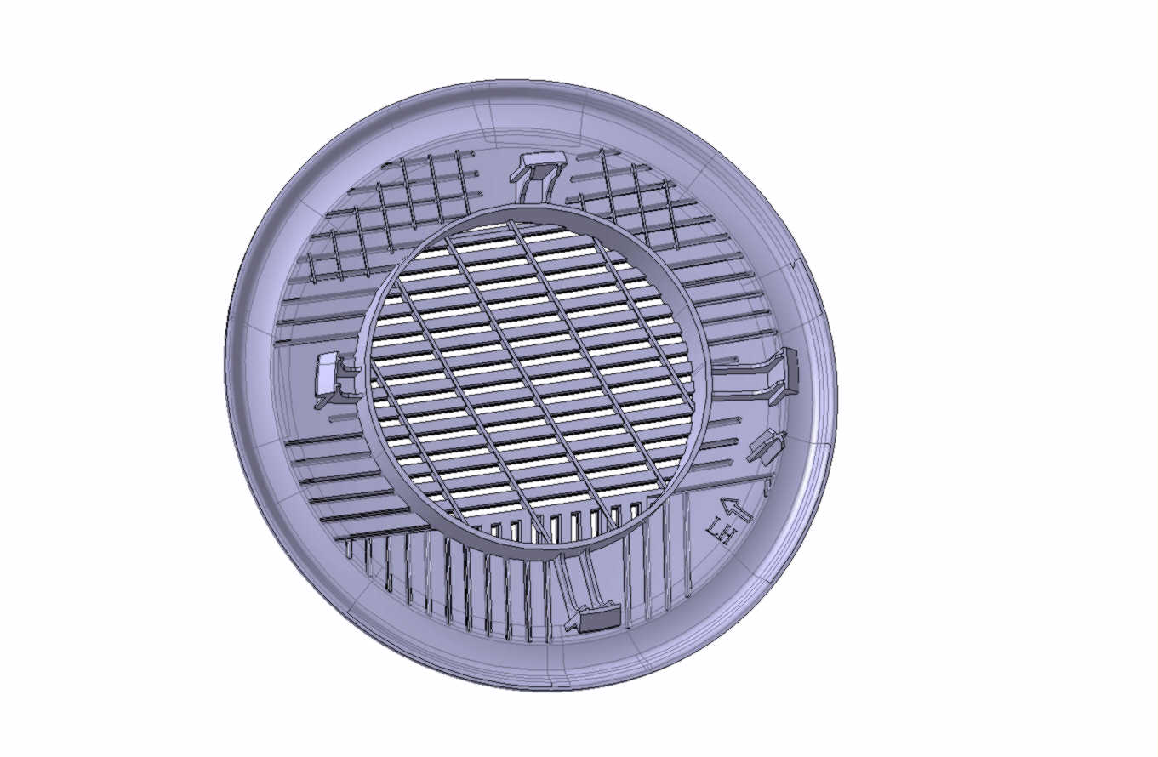 | INT40003030 | SPEAKER COVER-LH RR ROOF | 左后顶扬声器面罩 | 281774665R | 顶棚 |  | 是
SR1938 | 右后顶扬声器面罩 | Single Part | 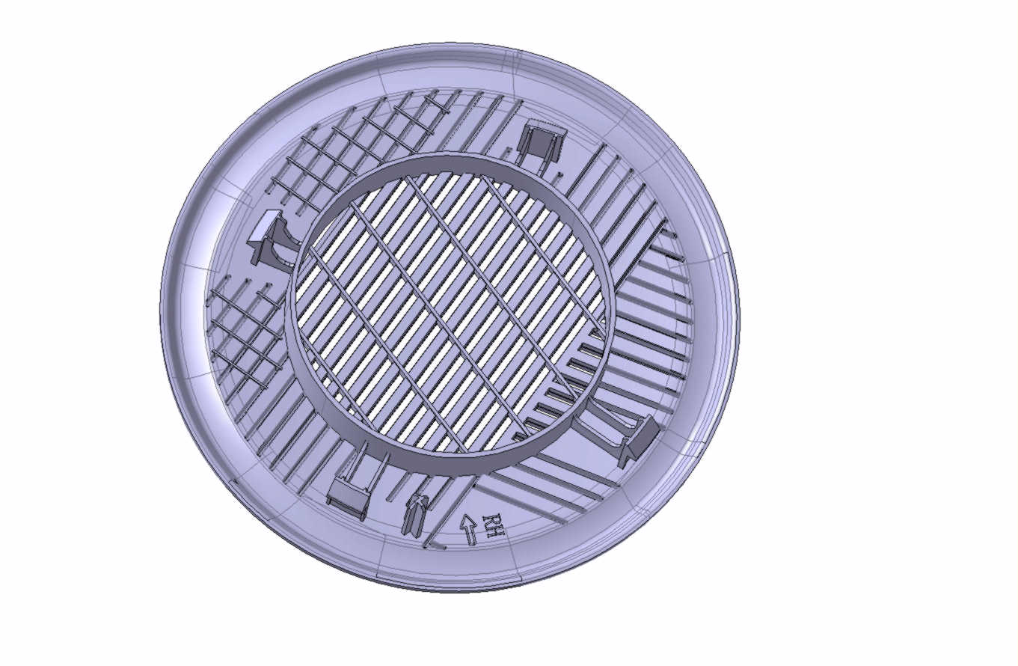 | INT40003040 | SPEAKER COVER-RH RR ROOF | 右后顶扬声器面罩 | 281761879R |  |  | 是
SR1939 | 左后顶扬声器安装支架 | Single Part | 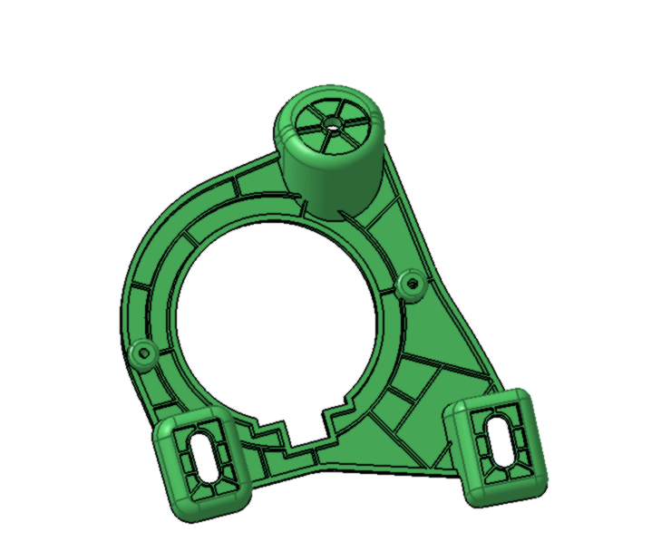 | INT40003050 | SPEAKER MOUNTING BRACKET-LH RR ROOF | 左后顶扬声器安装支架 | 732L32503R |  |  | 是
SR1940 | 右后顶扬声器安装支架 | Single Part | 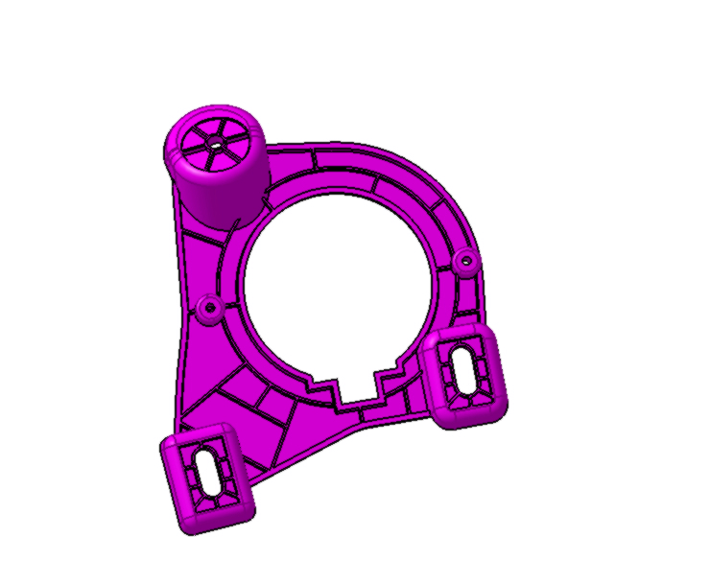 | INT40003060 | SPEAKER MOUNTING BRACKET-RH RR ROOF | 右后顶扬声器安装支架 | 732L20583R |  |  | 是
SR1941 | 驾驶侧歇脚板-PHEV | ASSY | 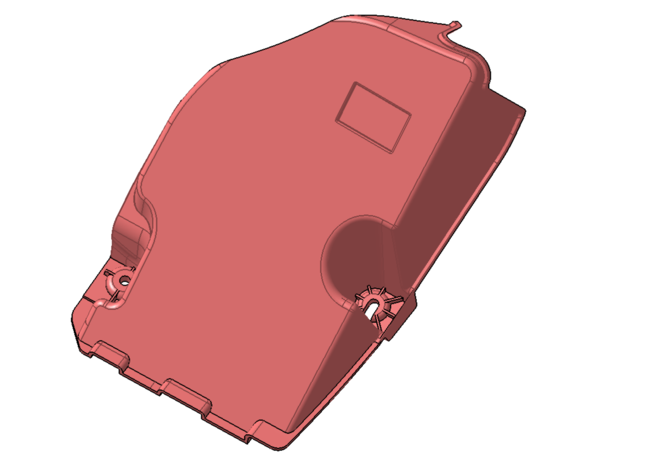 | INT40004020 | PLASTIC DRIVER FOOTREST PHEV | 驾驶侧歇脚板-PHEV | 678404548R | 地毯 | PHEV | 是
SR1942 | EV电池包检修堵盖 | Single Part | 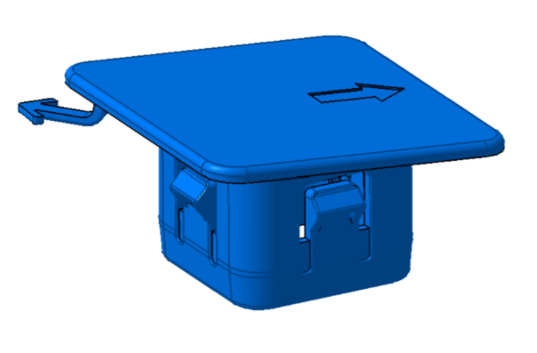 | INT40004070 | CAP-EV BATTERY SERVICE | EV电池包检修堵盖 | 8201768153 |  | EV | 是
SR1943 | 驾驶侧歇脚板-EV | ASSY |  | INT40004060 | PLASTIC DRIVER FOOTREST EV | 驾驶侧歇脚板-EV | 678400799R |  | PHEV | 是
SR1985 | OHC安装支架(E-Call) | Single Part | 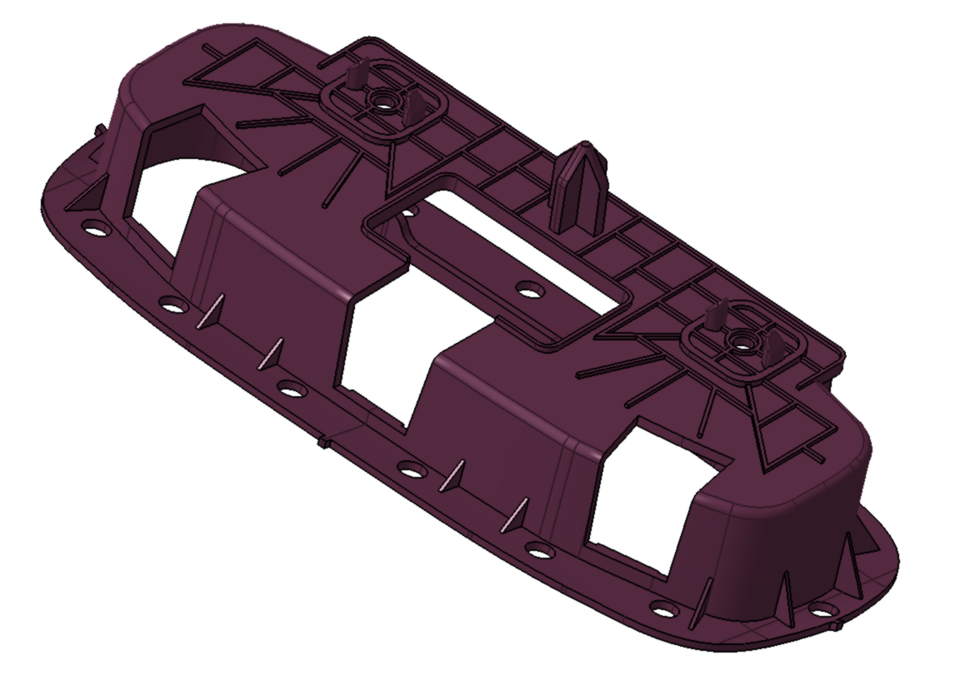 | INT40003013 | OHC MOUNTING BRACKET-E-CALL | OHC安装支架(E-Call) |  | 顶棚 | 顶棚 | 5
SR1986 | 左后顶扬声器支架 | Single Part | 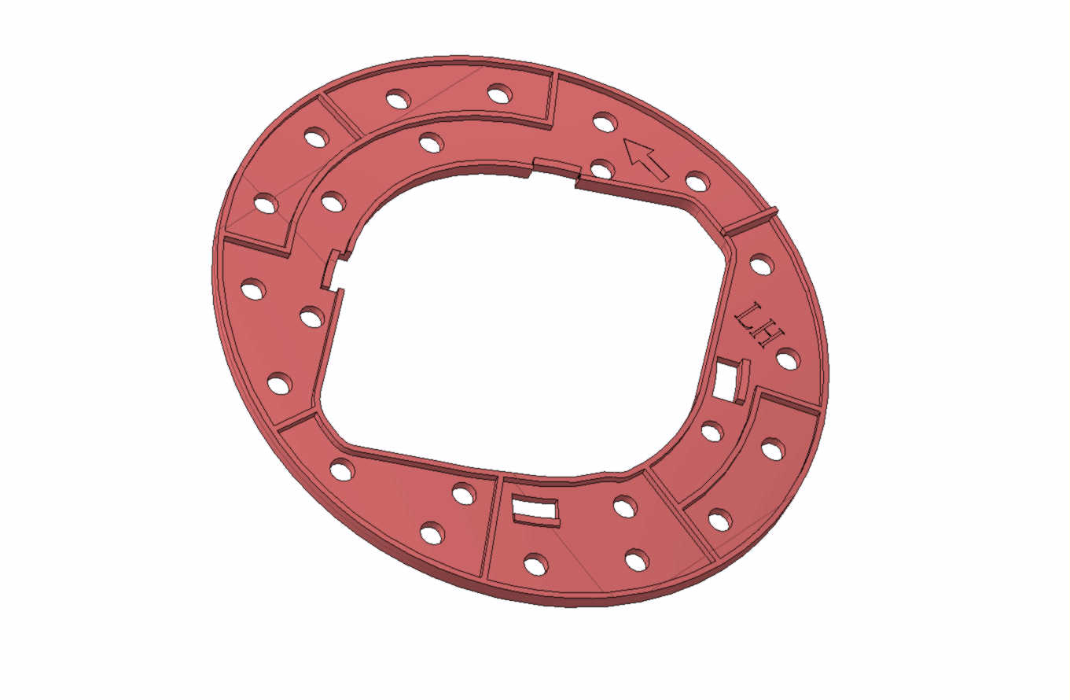 | INT40003014 | SPEAKER BRACKET-LH RR ROOF | 左后顶扬声器支架 |  |  |  | 6
SR1987 | 右后顶扬声器支架 | Single Part | 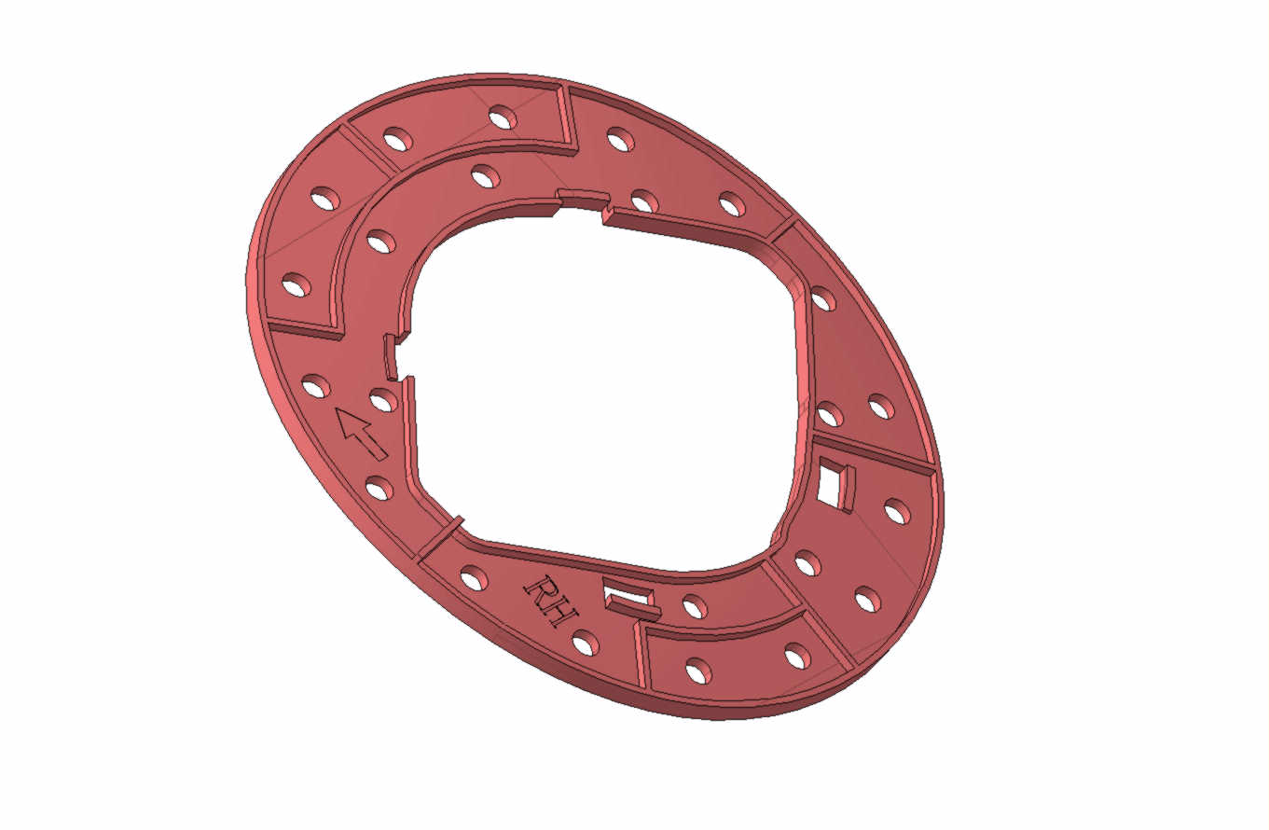 | INT40003015 | SPEAKER BRACKET-RH RR ROOF | 右后顶扬声器支架 |  |  |  | 7
SR1988 | 左后顶卡扣支架 | Single Part | 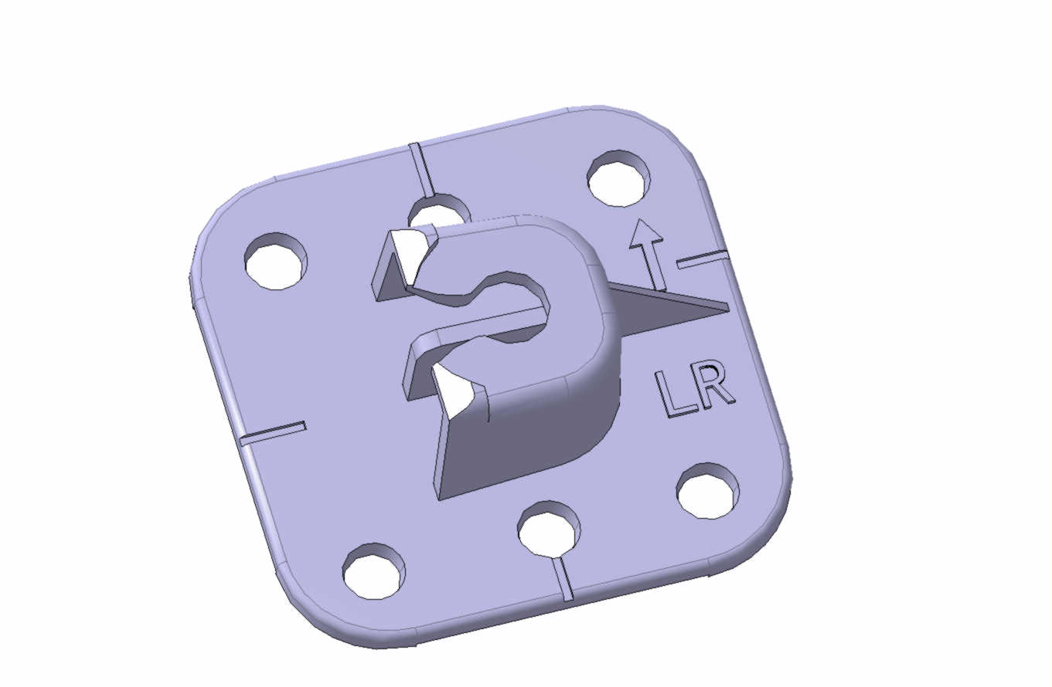 | INT40003017 | CLIP SEATER-LH RR ROOF | 左后顶卡扣支架 |  |  |  | 8
SR1989 | 右后顶卡扣支架 | Single Part | 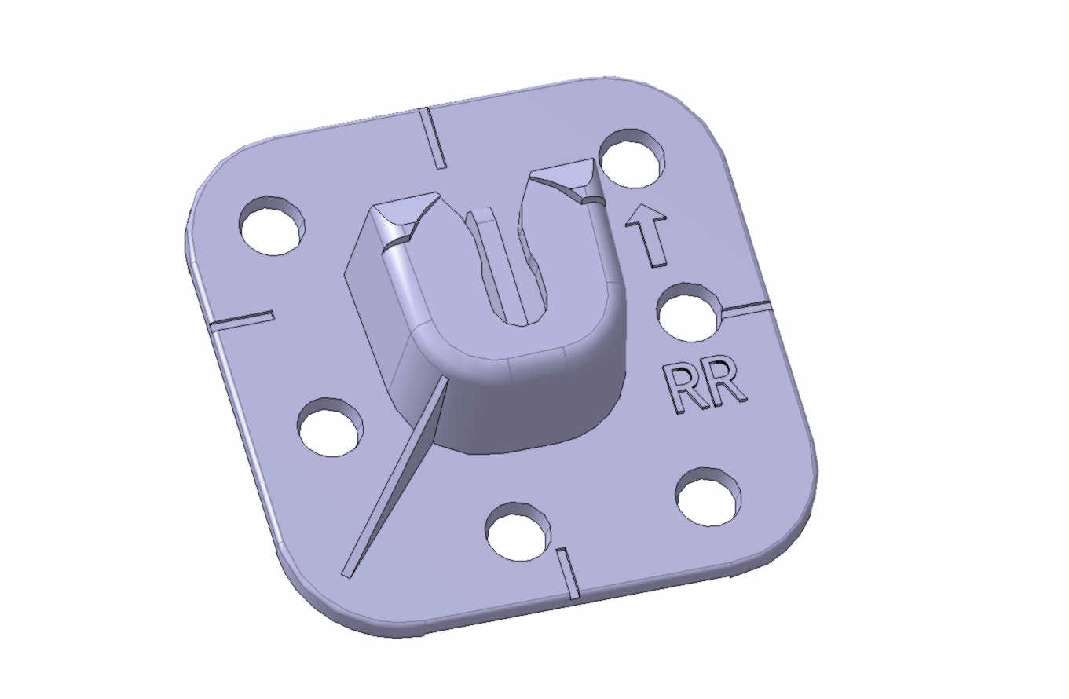 | INT40003018 | CLIP SEATER-RH RR ROOF | 右后顶卡扣支架 |  |  |  | 9
SR1990 | 全景顶棚框架-前 | Single Part | 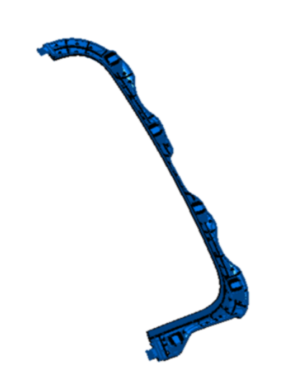 | INT40003023 | FRAME FR-PANORAMIC OPENING | 全景顶棚框架-前 |  |  |  | 1
SR1991 | 全景顶棚框架-后 | Single Part | 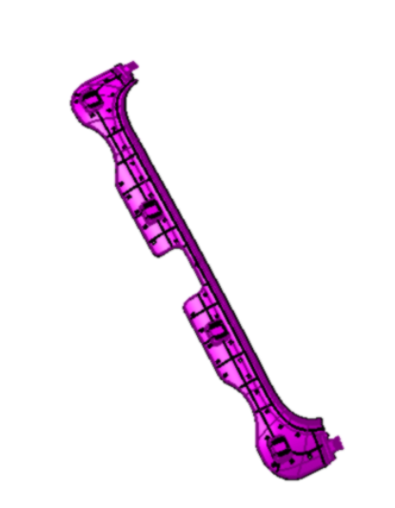 | INT40003024 | FRAME RR-PANORAMIC OPENING | 全景顶棚框架-后 |  |  |  | 2
SR1992 | 全景顶棚框架-左 | Single Part | 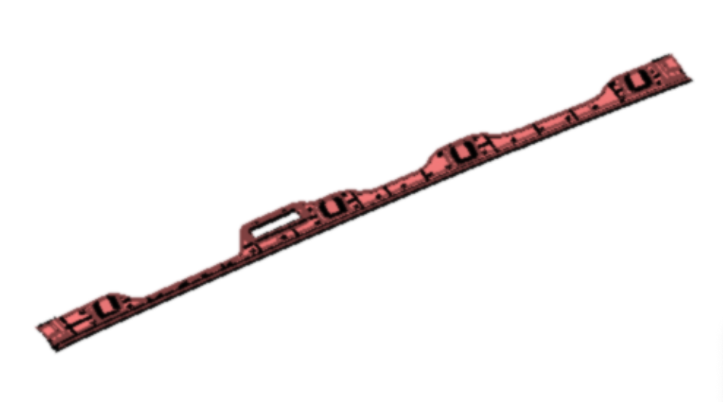 | INT40003025 | FRAME LH-PANORAMIC OPENING | 全景顶棚框架-左 |  |  |  | 3
SR1993 | 全景顶棚框架-右 | Single Part | 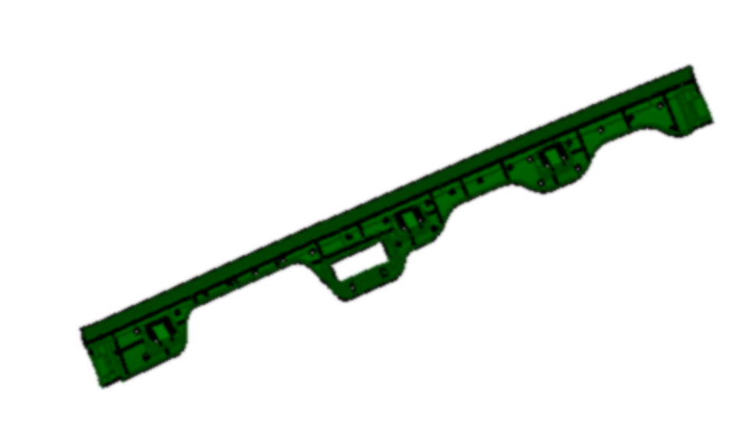 | INT40003026 | FRAME RH-PANORAMIC OPENING | 全景顶棚框架-右 |  |  |  | 4
SR1994 | CPD安装支架 | Single Part | 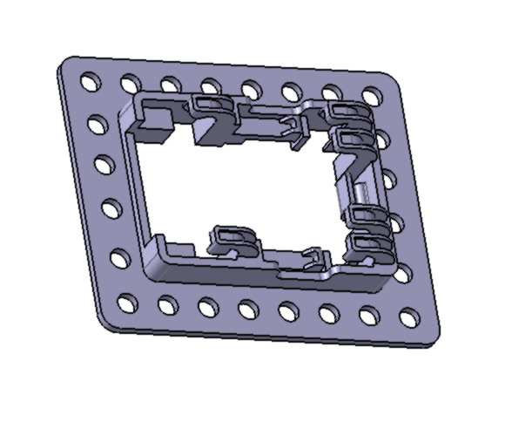 | INT40003022 | CPD MOUNTING BRACKET_PANO ROOF | CPD安装支架-全景天窗 |  |  |  | 10
SR1995 | OHC安装支架(无E-Call) | Single Part | 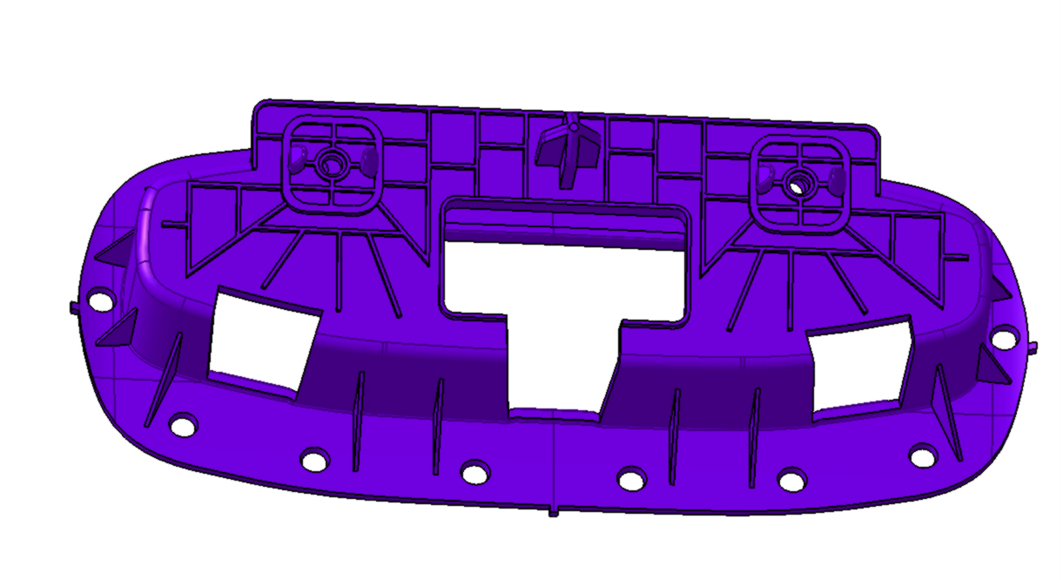 | INT40003078 | OHC MOUNTING BRACKET-W/O E-CALL | OHC安装支架(无E-Call) |  |  |  | 11
SR1996 | 前卡扣支架1 | Single Part |  | INT40003076 | CLIP SEATER 1-FR ROOF | 前卡扣支架1 |  |  |  | 12
SR1997 | 中卡扣支架2 | Single Part |  | INT40003077 | CLIP SEATER 2-MID ROOF | 中卡扣支架2 |  |  |  | 13
SR1998 | CPD安装支架 | Single Part |  | INT40003079 | CPD MOUNTING BRACKET_METAL ROOF | CPD安装支架-钣金顶 |  |  |  | 14
SR1999 | 模压衣帽架安装支架前 | Single Part | 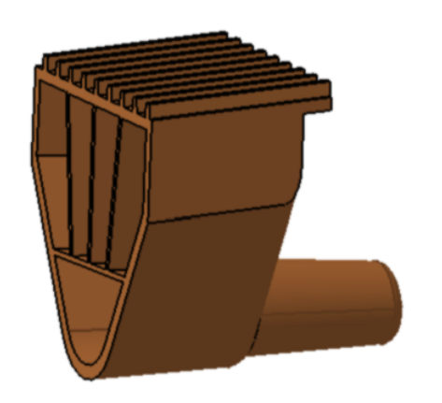 | INT40005045 | MOUNTING BRACKET FRT-FOLDABLE PARCEL SHELF | 模压衣帽架安装支架前 |  | 盖板衣帽架 | 顶棚 | 15
SR2000 | 模压衣帽架安装支架后 | Single Part | 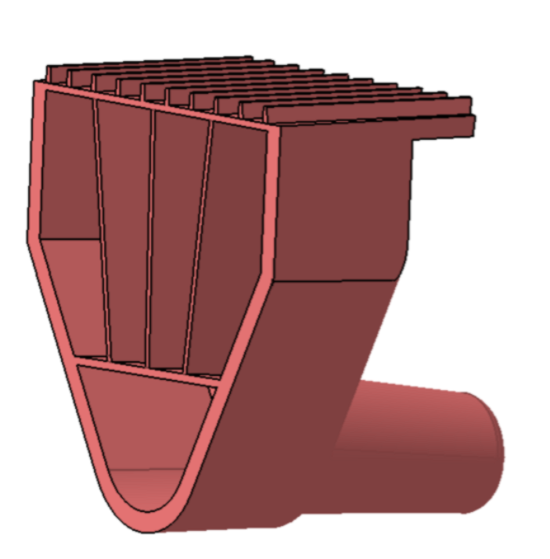 | INT40005052 | MOUNTING BRACKET RR-FOLDABLE PARCEL SHELF | 模压衣帽架安装支架后 |  |  |  | 16
SR2001 | 橡胶限位块 | Single Part | 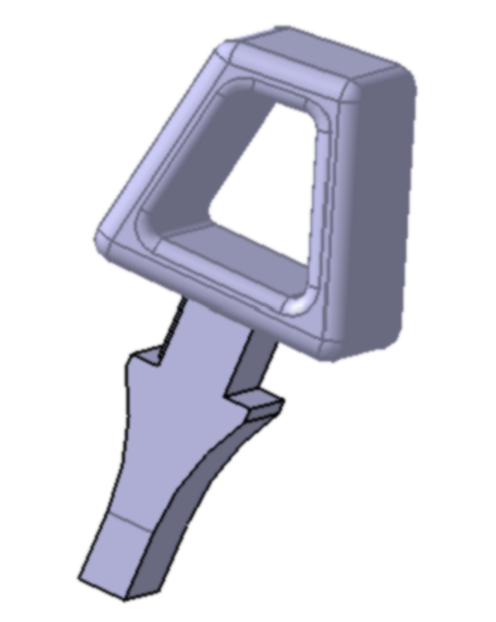 | INT40005047 | RUBBER LIMIT-1 PIECE PARCEL SHELF | 橡胶限位块 |  |  |  | 17

